Table 15
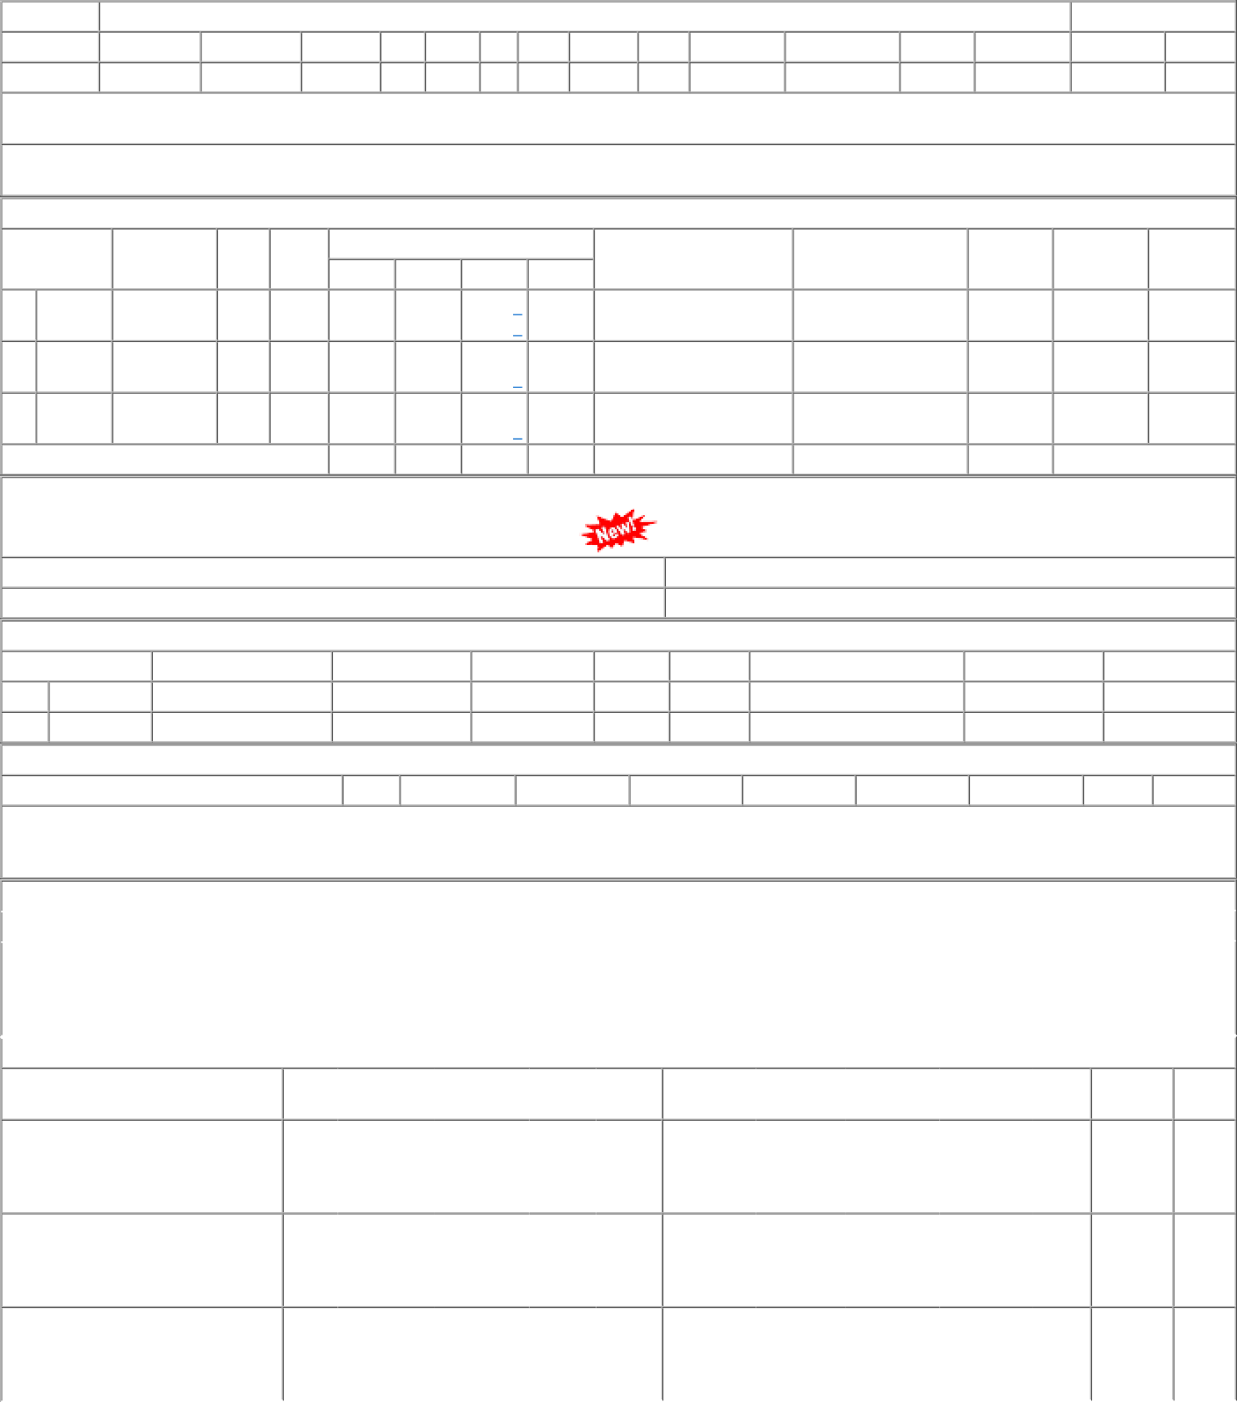
1 of 1 04/01/2023, 16:50

